Daily Power Station Chart_15-01
Plant_24/03/2025Chart

Plant:odco1 |  |  | Installed Capacity:111.180kWp
Today Yield(kWh):685.900kWh |  | Today Earning:274360.000TND |  | Today Full Load Hours(h):6.17h

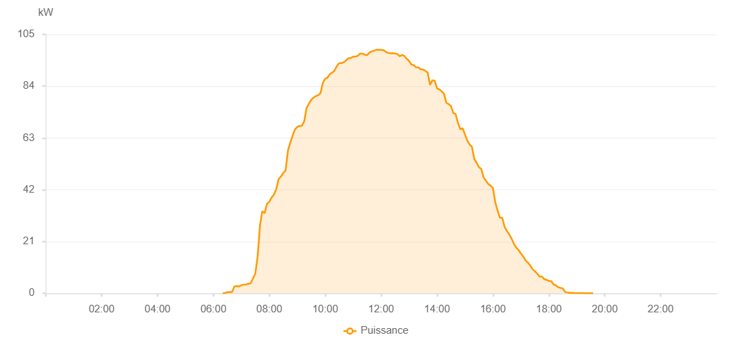

Number | Time | Working State | PV(W) | Instantaneous Radiation(W/㎡)
1 | 06:20:00 | Online | 30.00000 | 0
2 | 06:25:00 | Online | 90.00000 | 0
3 | 06:30:00 | Online | 430.00000 | 0
4 | 06:35:00 | Online | 500.00000 | 1.00000
5 | 06:40:00 | Online | 500.00000 | 5.00000
6 | 06:45:00 | Online | 2760.00000 | 19.00000
7 | 06:50:00 | Online | 2900.00000 | 25.00000
8 | 06:55:00 | Online | 2760.00000 | 21.00000
9 | 07:00:00 | Online | 3250.00000 | 31.00000
10 | 07:05:00 | Online | 3470.00000 | 34.00000
11 | 07:10:00 | Online | 3540.00000 | 35.00000
12 | 07:15:00 | Online | 3830.00000 | 40.00000
13 | 07:20:00 | Online | 4060.00000 | 44.00000
14 | 07:25:00 | Online | 6010.00000 | 47.00000
15 | 07:30:00 | Online | 7940.00000 | 56.00000
16 | 07:35:00 | Online | 15020.00000 | 93.00000
17 | 07:40:00 | Online | 27530.00000 | 273.00000
18 | 07:45:00 | Online | 33320.00000 | 336.00000
19 | 07:50:00 | Online | 32470.00000 | 336.00000
20 | 07:55:00 | Online | 36280.00000 | 367.00000
21 | 08:00:00 | Online | 37090.00000 | 388.00000
22 | 08:05:00 | Online | 38800.00000 | 407.00000
23 | 08:10:00 | Online | 40070.00000 | 416.00000
24 | 08:15:00 | Online | 42240.00000 | 430.00000
25 | 08:20:00 | Online | 46310.00000 | 477.00000
26 | 08:25:00 | Online | 47370.00000 | 487.00000
27 | 08:30:00 | Online | 48760.00000 | 506.00000
28 | 08:35:00 | Online | 49850.00000 | 528.00000
29 | 08:40:00 | Online | 57820.00000 | 544.00000
30 | 08:45:00 | Online | 61080.00000 | 572.00000
31 | 08:50:00 | Online | 63900.00000 | 592.00000
32 | 08:55:00 | Online | 66380.00000 | 609.00000
33 | 09:00:00 | Online | 67470.00000 | 632.00000
34 | 09:05:00 | Online | 67910.00000 | 646.00000
35 | 09:10:00 | Online | 67910.00000 | 669.00000
36 | 09:15:00 | Online | 69770.00000 | 685.00000
37 | 09:20:00 | Online | 75120.00000 | 706.00000
38 | 09:25:00 | Online | 76880.00000 | 721.00000
39 | 09:30:00 | Online | 78490.00000 | 737.00000
40 | 09:35:00 | Online | 79380.00000 | 752.00000
41 | 09:40:00 | Online | 79970.00000 | 765.00000
42 | 09:45:00 | Online | 80290.00000 | 793.00000
43 | 09:50:00 | Online | 81250.00000 | 793.00000
44 | 09:55:00 | Online | 85390.00000 | 807.00000
45 | 10:00:00 | Online | 87050.00000 | 826.00000
46 | 10:05:00 | Online | 87490.00000 | 838.00000
47 | 10:10:00 | Online | 88890.00000 | 843.00000
48 | 10:15:00 | Online | 89470.00000 | 856.00000
49 | 10:20:00 | Online | 90280.00000 | 868.00000
50 | 10:25:00 | Online | 92150.00000 | 884.00000
51 | 10:30:00 | Online | 93330.00000 | 895.00000
52 | 10:35:00 | Online | 93330.00000 | 906.00000
53 | 10:40:00 | Online | 93740.00000 | 912.00000
54 | 10:45:00 | Online | 94510.00000 | 919.00000
55 | 10:50:00 | Online | 95360.00000 | 931.00000
56 | 10:55:00 | Online | 95350.00000 | 941.00000
57 | 11:00:00 | Online | 96010.00000 | 941.00000
58 | 11:05:00 | Online | 96010.00000 | 953.00000
59 | 11:10:00 | Online | 96300.00000 | 953.00000
60 | 11:15:00 | Online | 97190.00000 | 954.00000
61 | 11:20:00 | Online | 97190.00000 | 959.00000
62 | 11:25:00 | Online | 96740.00000 | 964.00000
63 | 11:30:00 | Online | 96580.00000 | 964.00000
64 | 11:35:00 | Online | 97640.00000 | 968.00000
65 | 11:40:00 | Online | 98130.00000 | 968.00000
66 | 11:45:00 | Online | 98380.00000 | 974.00000
67 | 11:50:00 | Online | 98780.00000 | 974.00000
68 | 11:55:00 | Online | 98710.00000 | 977.00000
69 | 12:00:00 | Online | 98710.00000 | 977.00000
70 | 12:05:00 | Online | 98660.00000 | 975.00000
71 | 12:10:00 | Online | 97940.00000 | 977.00000
72 | 12:15:00 | Online | 97500.00000 | 969.00000
73 | 12:20:00 | Online | 97340.00000 | 964.00000
74 | 12:25:00 | Online | 97420.00000 | 965.00000
75 | 12:30:00 | Online | 97280.00000 | 965.00000
76 | 12:35:00 | Online | 97000.00000 | 956.00000
77 | 12:40:00 | Online | 96150.00000 | 948.00000
78 | 12:45:00 | Online | 96670.00000 | 943.00000
79 | 12:50:00 | Online | 96280.00000 | 943.00000
80 | 12:55:00 | Online | 95100.00000 | 932.00000
81 | 13:00:00 | Online | 94260.00000 | 907.00000
82 | 13:05:00 | Online | 92760.00000 | 907.00000
83 | 13:10:00 | Online | 92510.00000 | 903.00000
84 | 13:15:00 | Online | 91630.00000 | 901.00000
85 | 13:20:00 | Online | 91630.00000 | 887.00000
86 | 13:25:00 | Online | 90860.00000 | 879.00000
87 | 13:30:00 | Online | 90750.00000 | 873.00000
88 | 13:35:00 | Online | 90220.00000 | 861.00000
89 | 13:40:00 | Online | 89530.00000 | 851.00000
90 | 13:45:00 | Online | 84510.00000 | 825.00000
91 | 13:50:00 | Online | 86390.00000 | 825.00000
92 | 13:55:00 | Online | 86210.00000 | 810.00000
93 | 14:00:00 | Online | 83090.00000 | 802.00000
94 | 14:05:00 | Online | 82720.00000 | 788.00000
95 | 14:10:00 | Online | 81850.00000 | 775.00000
96 | 14:15:00 | Online | 80900.00000 | 761.00000
97 | 14:20:00 | Online | 77260.00000 | 745.00000
98 | 14:25:00 | Online | 76750.00000 | 729.00000
99 | 14:30:00 | Online | 75950.00000 | 714.00000
100 | 14:35:00 | Online | 73110.00000 | 696.00000
101 | 14:40:00 | Online | 72640.00000 | 684.00000
102 | 14:45:00 | Online | 69060.00000 | 666.00000
103 | 14:50:00 | Online | 66570.00000 | 630.00000
104 | 14:55:00 | Online | 66920.00000 | 630.00000
105 | 15:00:00 | Online | 64430.00000 | 618.00000
106 | 15:05:00 | Online | 61940.00000 | 591.00000
107 | 15:10:00 | Online | 60330.00000 | 577.00000
108 | 15:15:00 | Online | 59390.00000 | 557.00000
109 | 15:20:00 | Online | 54490.00000 | 532.00000
110 | 15:25:00 | Online | 52950.00000 | 517.00000
111 | 15:30:00 | Online | 51120.00000 | 483.00000
112 | 15:35:00 | Online | 50430.00000 | 483.00000
113 | 15:40:00 | Online | 46980.00000 | 461.00000
114 | 15:45:00 | Online | 45620.00000 | 414.00000
115 | 15:50:00 | Online | 44280.00000 | 414.00000
116 | 15:55:00 | Online | 43650.00000 | 390.00000
117 | 16:00:00 | Online | 42720.00000 | 375.00000
118 | 16:05:00 | Online | 36860.00000 | 360.00000
119 | 16:10:00 | Online | 33590.00000 | 334.00000
120 | 16:15:00 | Online | 30620.00000 | 313.00000
121 | 16:20:00 | Online | 30620.00000 | 294.00000
122 | 16:25:00 | Online | 26950.00000 | 274.00000
123 | 16:30:00 | Online | 25300.00000 | 255.00000
124 | 16:35:00 | Online | 23910.00000 | 237.00000
125 | 16:40:00 | Online | 22160.00000 | 157.00000
126 | 16:45:00 | Online | 20080.00000 | 77.00000
127 | 16:50:00 | Online | 18550.00000 | 77.00000
128 | 16:55:00 | Online | 17570.00000 | 75.00000
129 | 17:00:00 | Online | 16130.00000 | 72.00000
130 | 17:05:00 | Online | 14980.00000 | 78.00000
131 | 17:10:00 | Online | 13390.00000 | 109.00000
132 | 17:15:00 | Online | 12410.00000 | 92.00000
133 | 17:20:00 | Online | 11330.00000 | 92.00000
134 | 17:25:00 | Online | 9800.00000 | 75.00000
135 | 17:30:00 | Online | 8980.00000 | 51.00000
136 | 17:35:00 | Online | 7960.00000 | 49.00000
137 | 17:40:00 | Online | 6800.00000 | 46.00000
138 | 17:45:00 | Online | 6800.00000 | 43.00000
139 | 17:50:00 | Online | 5740.00000 | 40.00000
140 | 17:55:00 | Online | 5450.00000 | 37.00000
141 | 18:00:00 | Online | 4970.00000 | 34.00000
142 | 18:05:00 | Online | 4970.00000 | 28.00000
143 | 18:10:00 | Online | 3620.00000 | 28.00000
144 | 18:15:00 | Online | 3200.00000 | 19.00000
145 | 18:20:00 | Online | 2460.00000 | 19.00000
146 | 18:25:00 | Online | 2190.00000 | 15.00000
147 | 18:30:00 | Online | 1940.00000 | 11.00000
148 | 18:35:00 | Online | 520.00000 | 7.00000
149 | 18:40:00 | Online | 320.00000 | 4.00000
150 | 18:45:00 | Online | 170.00000 | 2.00000
151 | 18:50:00 | Online | 200.00000 | 0
152 | 18:55:00 | Online | 70.00000 | 0
153 | 19:00:00 | Online | 40.00000 | 0
154 | 19:05:00 | Online | 40.00000 | 0
155 | 19:10:00 | Online | 40.00000 | 0
156 | 19:15:00 | Online | 50.00000 | 0
157 | 19:20:00 | Online | 20.00000 | 0
158 | 19:25:00 | Online | 20.00000 | 0
159 | 19:30:00 | Online | 20.00000 | 0
160 | 19:35:00 | Online | 20.00000 | 0
161 | 19:55:00 | Online | 0.00001 | 0.00001

